Sheet1
Purchse Order 2017/XX/XX
EC | No. | P /wo tax | P /w tax | Units | Amount | Item | Picture | URL
Digikey | 1 |  | 1881 | 1 | 1,881 | FTDI BASIC BREAKOUT - 5V |  | http://www.digikey.jp/products/ja?keywords=1568-1103-ND
Amazon | 2 |  | 319 JPY | 4 | 1,276 | ARDUINO_PRO_MINI Sum | 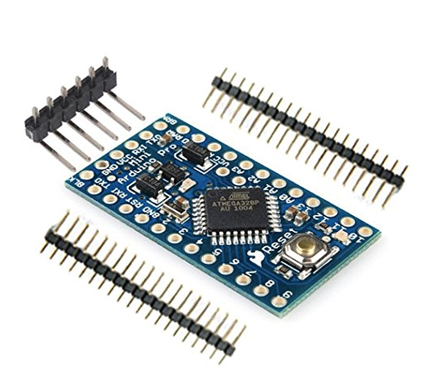 | https://www.amazon.co.jp/HiLetgo-ATmega328P-CH340G-マイクロコントローラーボード-Arduinoと互換/dp/B01CZQANN0/ref=pd_cp_147_1?_encoding=UTF8&psc=1&refRID=C2N0MA0PGMB5PYNN2QWP
Digikey | 3 |  | 1252 | 1 | 1,252 | HX711_LOADCELL_AMP Sum | 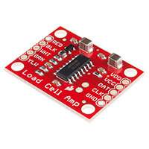 | https://www.digikey.jp/product-detail/ja/sparkfun-electronics/SEN-13879/1568-1436-ND/6202732
Digikey | 4 |  | 22.8 | 20 | 456 | Three pin header connector (JST) | 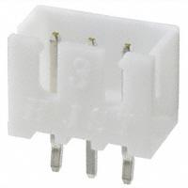 | http://www.digikey.jp/products/ja?keywords=455-2248-ND
Digikey | 5 |  | 17.7 | 25 | 443 | Two pin header connector (JST) |  | http://www.digikey.jp/products/ja?keywords=455-2247-ND
Digikey | 6 |  | 29.8 | 20 | 596 | Five pin header connector (JST) | 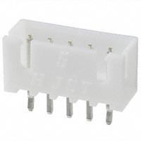 | http://www.digikey.jp/products/ja?keywords=455-2270-ND%20
Digikey | 7 |  | 11.1 | 25 | 278 | Two pin female socket (JST) | 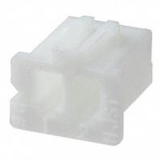 | http://www.digikey.jp/product-detail/ja/jst-sales-america-inc/XHP-2/455-2266-ND/555485
Digikey | 8 |  | 7.4 | 210 | 1,554 | Connector contact (crimp finish) |  | http://www.digikey.jp/products/ja?keywords=455-1135-1-ND%20
Digikey | 9 |  | 12.3 | 20 | 246 | Three pin female socket (JST) | 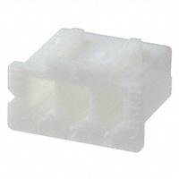 | http://www.digikey.jp/products/ja?keywords=455-2219-ND%20
Digikey | 10 |  | 13.7 | 20 | 274 | Five pin female socket (JST) | 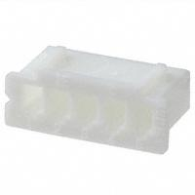 | http://www.digikey.jp/products/ja?keywords=455-2268-ND%20
秋月電子 | 11 |  | 1 | 20 | 20 | ターミナルブロック ２ピン（青）（縦）小 |  | http://akizukidenshi.com/catalog/g/gP-01306/
Digikey | 12 |  | 82.8 | 5 | 414 | 40 pin brass header | 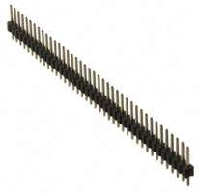 | http://www.digikey.jp/products/ja?keywords=%20%09S1011EC-40-ND
Digikey | 13 |  | 12 | 12 | 144 | 12 pin female socket board to board connector |  | http://www.digikey.jp/products/ja?keywords=S7045-ND
Digikey | 14 |  | 944 | 1 | 944 | Raspberry pi 2 cobbler | 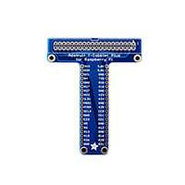 | http://www.digikey.jp/product-detail/ja/adafruit-industries-llc/1989/1528-1564-ND/5761280
秋月電子 | 15 |  | 250 | 2 | 500 | FXMA108 (Logic Level Shifter) |  | http://akizukidenshi.com/catalog/g/gM-04522/
秋月電子 | 16 |  | 300 | 1 | 300 | ＤＣ－ＤＣコンバータ ５Ｖ３Ａ ＨＲＤ０５００３ ５～２４Ｖ可変 |  | http://akizukidenshi.com/catalog/g/gM-02038/
www.mgsuperlabs.co.in | 17 |  | 37144.2 | 1 | 37,144 | Blood Pressure Sensor (Sphygmomanometer) v2.0 for e-Health Platform [Biometric / Medical Application |  | https://www.mgsuperlabs.co.in/estore/Cooking-Hacks-CH/Blood-Pressure-Sensor-Sphygmomanometer-V2.0
Amazon | 18 |  | 8602 | 1 | 8,602 | Glucometer |  | https://www.amazon.co.jp/OneTouch-Ultra-Meter-count-Lifescan/dp/B01N4L5DW3/ref=sr_1_8?s=hpc&ie=UTF8&qid=1484898108&sr=1-8
Amazon | 19 |  | 7349 | 1 | 7,349 | Glucometer USB Connection Cable |  | https://www.amazon.co.jp/EZSync-USB%E3%82%B1%E3%83%BC%E3%83%96%E3%83%ABfor-UltraMini-ultra2-UltraSmart-Glucose%E7%B3%96%E5%B0%BF%E7%97%85%E3%83%A1%E3%83%BC%E3%83%88%E3%83%AB%E3%80%82Work/dp/B00V5P135A/ref=sr_1_3?ie=UTF8&qid=1478840834&sr=8-3&keywords=onetouch+ultramini
Amazon | 20 |  | 1220 | 1 | 1,220 | Waist measurement tape | 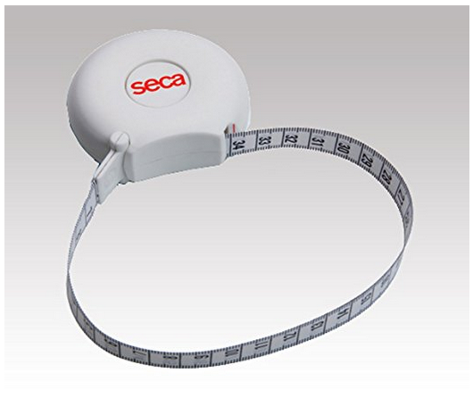 | https://www.amazon.co.jp/%E5%91%A8%E5%9B%B2%E6%B8%AC%E5%AE%9A-%E8%A8%88%E6%B8%AC%E5%99%A8-kws-004-%E5%91%A8%E5%9B%B2%E6%B8%AC%E5%AE%9A%E3%83%86%E3%83%BC%E3%83%97-kws-4003/dp/B009LESLIY/ref=pd_cp_60_2?_encoding=UTF8&psc=1&refRID=H3NKM1XA15MDAHKDWG9M
Digikey | 21 |  | 5662 | 1 | 5,662 | Thermal Printer | 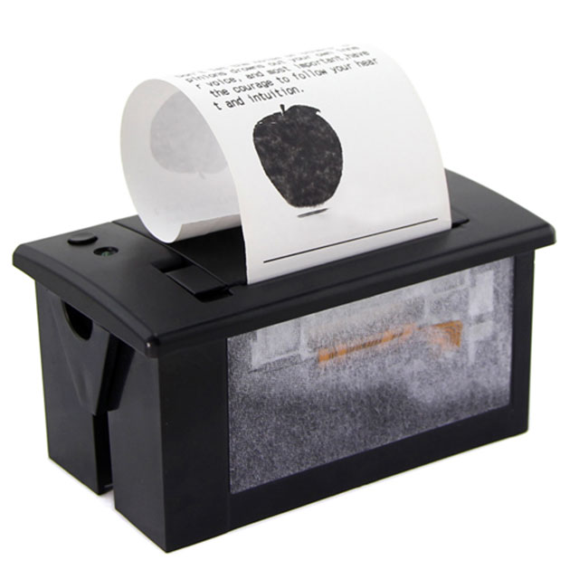 | http://www.digikey.jp/products/ja?keywords=%20114990012-ND%20
Yahoo | 22 |  | 7200 | 1 | 7,200 | Oximeter | 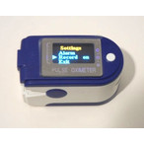 | http://store.shopping.yahoo.co.jp/zyjwsg7ivqvocjs3b7uk3l4a34/nhscnfztmq.html
秋月電子 | 23 |  | 400 | 1 | 400 | 超音波距離センサー ＨＣ－ＳＲ０４ |  | http://akizukidenshi.com/catalog/g/gM-11009/
秋月電子 | 24 |  | 550 | 2 | 1,100 | Heat resistant electronic wire 2 m × 7 color outer diameter 1.36 mm (UL 3265 AWG 22) |  | http://akizukidenshi.com/catalog/g/gP-06755/

 |  |  |  | 合計 | 79,254

